Part legend
Metelix Finished part# | GM Part# | Metelix Raw Part# | Description | PO#
VG0240BL0PA | LF 85093413 | VG0240MO | C223 ACCSRY Spoiler | 9697 | 8555 Black Gloss 080
VG0247BL0PA | LF 86556593 | VG0247MO | BT1FG Hummer Spoiler | 9560
VG0241CM0PA |  | VG0241M0CART | Y2XX Blade/Wing | 9698
VG0241CM0PB |  | VG0241M0CBRT | Y2XX Stanchion - Left | 9698
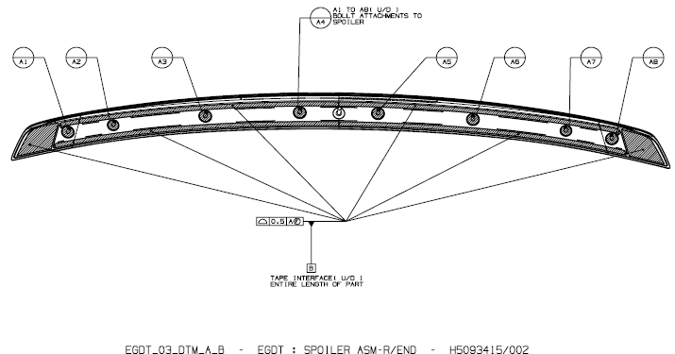
VG0241CM0PC |  | VG0241M0CCRT | Y2XX Stanchion - Center | 9698 |  | 5093415
VG0241CM0PD |  | VG0241M0CDRT | Y2XX Stanchion - Right | 9698
VG0241CM0PE |  | VG0241M0CE | Y2XX Winglet -Left | 9698
VG0241CM0PF |  | VG0241M0CF | Y2XX Winglet -Right | 9698
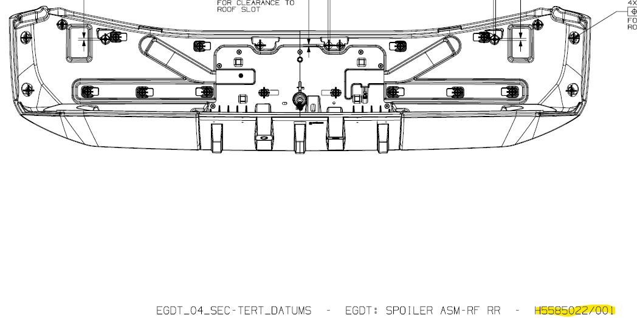
VG0241CM0PG |  |  | Y2XX Screw Cover - Left | 9698 |  | 5585022
VG0241CM0PH |  |  | Y2XX Screw Cover - Right | 9698

